4.0 Index Resistances (HRU)
 |  |  |  |  |  |  |  |  |  |  |  |  |  |  |  |  |  |  |  | Key Integrated Services Ltd Unit 2, Bollin Court, Mill Lane, Lymm, Cheshire, WA13 9SX TEL: 01925 759948 FAX: 01925 758400
 |  |  |  | Project No.
 |  |  |  | Project
 |  |  |  | Title
 |  |  |  | Schedule No.
 |  |  |  | Revision
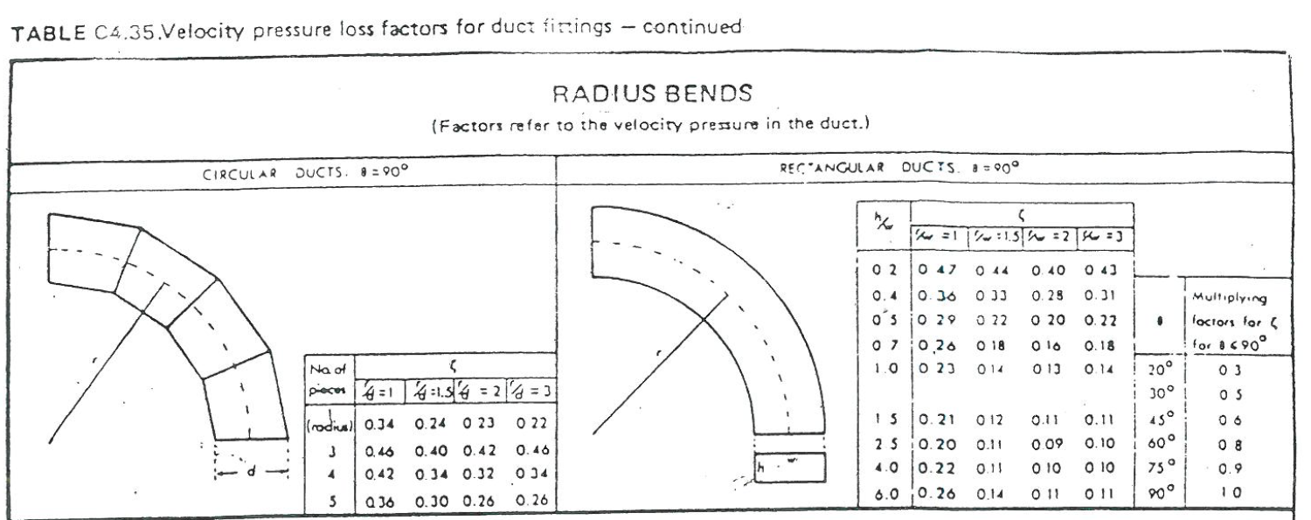
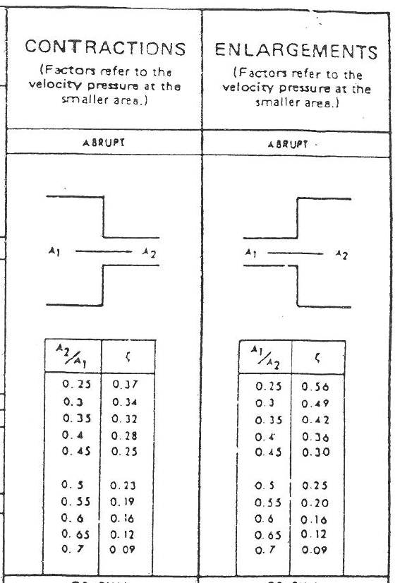
 |  |  |  | Date
 |  |  |  | Sheet
4.0 Index Resistances
AHU 01

SUPPLY FAN |  |  |  |  |  |  |  |  |  |  |  |  | K FACTORS FOR SECTIONS

Sec. | Volume | Duct | Duct | Duct | Length | P.D. | VEL | Vel. P. | K. Fac | Resistance Pa | Fittings | Total | Bends |  |  | Tees |  |  | Other |  |  |  | Total in
No. | m3/s | Size | H | W | m | Pa/m | m/s | Pa |  | Straight | Pa | Pa | No | k | Tot | No | k | Tot |  | No | k | Tot | Sect.
PRIMARY
Diff |  |  |  |  |  |  |  |  |  |  |  | 0.000 |  |  |  |  |  |  |  |  |  |  | 0.000
 |  |  |  |  |  |  |  |  |  |  |  | 0.000 |  |  |  |  |  |  |  |  |  |  | 0.000
 |  |  |  |  |  |  |  |  |  |  |  | 0.000 |  |  |  |  |  |  |  |  |  |  | 0.000
 |  |  |  |  |  |  |  |  |  |  |  | 0.000 |  |  |  |  |  |  |  |  |  |  | 0.000
 |  |  |  |  |  |  |  |  |  |  |  | 0.000 |  |  |  |  |  |  |  |  |  |  | 0.000
Louvre |  |  |  |  |  |  |  |  |  |  |  | 0.000
Attenuator |  |  |  |  |  |  |  |  |  |  |  | 0.000
 |  |  |  |  |  |  |  |  |  |  |  | 0.000

 |  |  |  |  |  |  |  |  | TOTAL (+10% margin) |  | 0

AHU 01 |  |  |  | l/s | 0 |  | pa | Supply

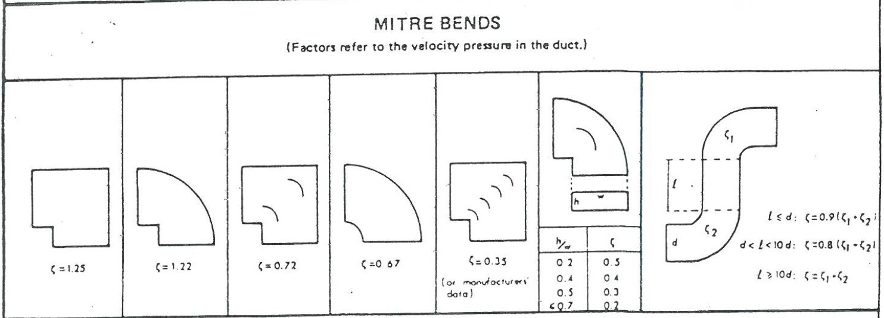

AHU 01

Extract FAN |  |  |  |  |  |  |  |  |  |  |  |  | K FACTORS FOR SECTIONS

Sec. | Volume | Duct | Duct | Duct | Length | P.D. | VEL | Vel. P. | K. Fac | Resistance Pa | Fittings | Total | Bends |  |  | Tees |  |  | Other |  |  |  | Total in
No. | m3/s | Size | H | W | m | Pa/m | m/s | Pa |  | Straight | Pa | Pa | No | k | Tot | No | k | Tot |  | No | k | Tot | Sect.

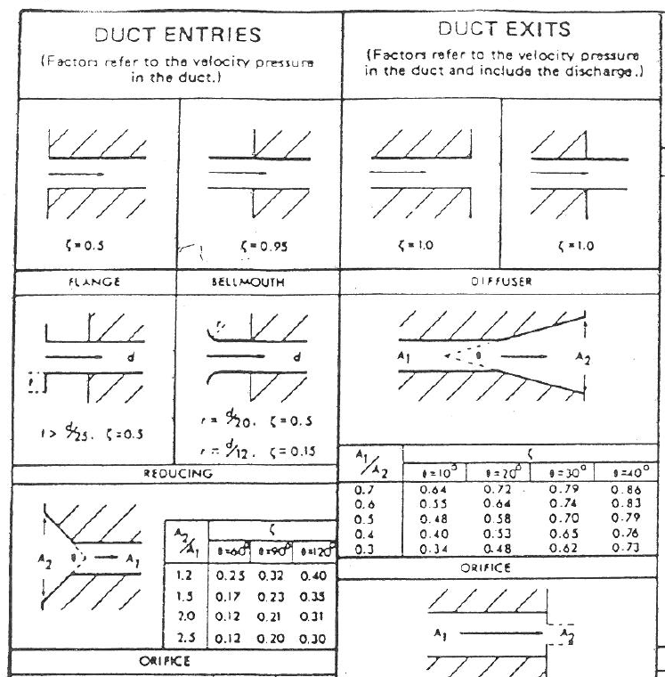
 |  |  |  |  |  |  |  |  |  |  |  | 0.000 |  |  |  |  |  |  |  |  |  |  | 0.000
 |  |  |  |  |  |  |  |  |  |  |  | 0.000 |  |  |  |  |  |  |  |  |  |  | 0.000
 |  |  |  |  |  |  |  |  |  |  |  | 0.000
 |  |  |  |  |  |  |  |  |  |  |  | 0.000
 |  |  |  |  |  |  |  |  |  |  |  | 0.000 |  |  |  |  |  |  |  |  |  |  | 0.000
 |  |  |  |  |  |  |  |  |  |  |  | 0.000
 |  |  |  |  |  |  |  |  |  |  |  | 0.000
 |  |  |  |  |  |  |  |  |  |  |  | 0.000

 |  |  |  |  |  |  |  |  | TOTAL (+10% margin) |  | 0

AHU 01 |  |  |  | l/s | 0 |  | pa | Extract

IP 02-05-13-5703 Version 1

2.0 Sizing Criteria
Design Information Required

1. Ductwork index run pressure drop (Pa)
2. Damper pressure drops (Pa)
3. Louvre/mesh pressure drops (Pa)
4. Total system flow rate (m³/s)

Step 1

Calculate the ductwork index run pressure drop including for fittings, dampers, louvres etc.

Step 2

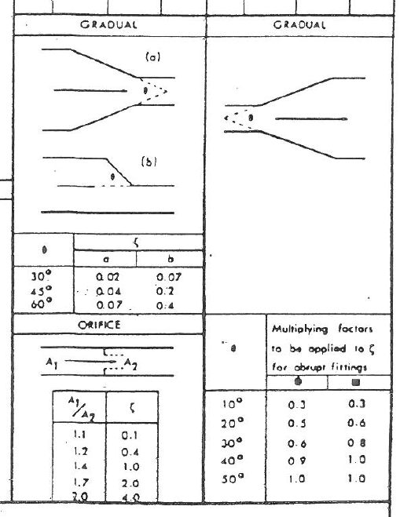
Calculate the systems total volume flow rate

Step 3

Select an appropriate fan that appears to operate within the calculated parameters ensuring compliance with specific fan powers (w/l/s) using selected manufacturers data.

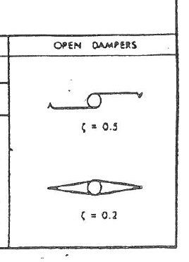

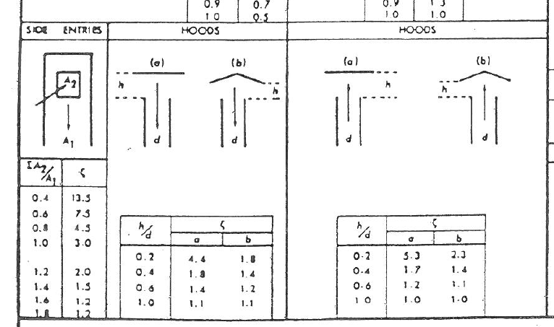

Sec. | Volume | Duct | Duct | Duct | Length | P.D. | VEL | Vel. P. | K. Fac | Resistance Pa |  |  | Bends |  |  | Tees |  |  | Other |  |  |  | Total in
No. | m3/s | Size | H | W | m | Pa/m | m/s | Pa |  | Straight | Fittings | Total | No | k | Tot | No | k | Tot |  | No | k | Tot | Sect.
PRIMARY
Diff |  |  |  |  |  |  |  |  |  |  | 25.000 | 25.000 |  |  |  |  |  |  |  |  |  |  | 0.000
1 | 0.050 | 150 |  |  | 6.000 | 0.840 | 2.700 | 4.374 | 0.750 | 5.040 | 3.281 | 33.321 | 1 | 0.55 | 0.55 |  |  |  | VCD | 1 | 0.20 | 0.20 | 0.750
2 | 0.090 | 200 |  |  | 3.000 | 0.600 | 2.860 | 4.908 | 0.600 | 1.800 | 2.945 | 38.065 |  |  |  | 2 | 0.30 | 0.60 |  |  |  |  | 0.600
Transition | 0.095 | 200 |  |  | 0.500 | 0.660 | 3.020 | 5.472 | 0.650 | 0.330 | 3.557 | 41.952 |  |  |  | 2 | 0.30 | 0.60 | Transition | 1 | 0.05 | 0.05 | 0.650
3 | 0.280 | 315 |  |  | 3.000 | 0.520 | 3.590 | 7.733 | 1.400 | 1.560 | 10.826 | 54.338 | 2 | 0.55 | 1.10 | 1 | 0.30 | 0.30 |  |  |  |  | 1.400
HB |  |  |  |  |  |  |  |  |  |  | 25.000 | 79.338 |  |  |  |  |  |  |  |  |  |  | 0.000

 |  |  |  |  |  |  |  |  | TOTAL (+21.1% margin) |  | 95.999

#REF! |  | 0.308 |  | l/s | 96 |  | pa | Supply

SUPPLY FAN |  |  |  |  |  |  |  |  |  |  |  |  | K FACTORS FOR SECTIONS

Sec. | Volume | Duct | Duct | Duct | Length | P.D. | VEL | Vel. P. | K. Fac | Resistance Pa |  |  | Bends |  |  | Tees |  |  | Other |  |  |  | Total in
No. | m3/s | Size | H | W | m | Pa/m | m/s | Pa |  | Straight | Fittings | Total | No | k | Tot | No | k | Tot |  | No | k | Tot | Sect.
PRIMARY
Diff |  |  |  |  |  |  |  |  |  |  | 25.000 | 25.000 |  |  |  |  |  |  |  |  |  |  | 0.000
1 | 0.051 | 150 |  |  | 9.000 | 0.870 | 2.890 | 5.011 | 1.300 | 7.830 | 6.515 | 39.345 | 2 | 0.55 | 1.10 |  |  |  | VCD | 1 | 0.20 | 0.20 | 1.300
Transition | 0.099 | 200 |  |  | 0.500 | 0.710 | 3.150 | 5.953 | 0.050 | 0.355 | 0.298 | 39.997 |  |  |  |  |  |  | Transition | 1 | 0.05 | 0.05 | 0.050
2 | 0.099 | 200 |  |  | 12.000 | 0.710 | 3.150 | 5.953 | 0.600 | 8.520 | 3.572 | 52.089 |  |  |  | 2 | 0.30 | 0.60 |  |  |  |  | 0.600
3 | 0.290 | 250 |  |  | 12.000 | 0.940 | 4.260 | 10.889 | 0.600 | 11.280 | 6.533 | 69.903 |  |  |  | 2 | 0.30 | 0.60 |  |  |  |  | 0.600
Transition | 0.140 | 250 |  |  | 0.500 | 0.450 | 2.850 | 4.874 | 0.050 | 0.225 | 0.244 | 70.371 |  |  |  |  |  |  | Transition | 1 | 0.05 | 0.05 | 0.050
4 | 0.269 | 315 |  |  | 12.000 | 0.480 | 3.450 | 7.142 | 1.150 | 5.760 | 8.213 | 84.344 | 1 | 0.55 | 0.55 | 2 | 0.30 | 0.60 |  |  |  |  | 1.150
HB |  |  |  |  |  |  |  |  |  |  | 25.000 | 109.344 |  |  |  |  |  |  |  |  |  |  | 0.000

 |  |  |  |  |  |  |  |  | TOTAL (+21.1% margin) |  | 132.306

#REF! |  | 0.319 |  | l/s | 132 |  | pa | Supply

SUPPLY FAN |  |  |  |  |  |  |  |  |  |  |  |  | K FACTORS FOR SECTIONS

Sec. | Volume | Duct | Duct | Duct | Length | P.D. | VEL | Vel. P. | K. Fac | Resistance Pa |  |  | Bends |  |  | Tees |  |  | Other |  |  |  | Total in
No. | m3/s | Size | H | W | m | Pa/m | m/s | Pa |  | Straight | Fittings | Total | No | k | Tot | No | k | Tot |  | No | k | Tot | Sect.
PRIMARY
Diff |  |  |  |  |  |  |  |  |  |  | 25.000 | 25.000 |  |  |  |  |  |  |  |  |  |  | 0.000
1 | 0.025 | 125 |  |  | 3.000 | 0.580 | 2.040 | 2.497 | 1.600 | 1.740 | 3.995 | 30.735 | 2 | 0.55 | 1.10 | 1 | 0.30 | 0.30 | VCD | 1 | 0.20 | 0.20 | 1.600
2 | 0.050 | 150 |  |  | 9.000 | 0.840 | 2.700 | 4.374 | 1.150 | 7.560 | 5.030 | 43.325 | 1 | 0.55 | 0.55 | 2 | 0.30 | 0.60 |  |  |  |  | 1.150
Transition | 0.100 | 200 |  |  | 0.500 | 0.730 | 3.180 | 6.067 | 0.050 | 0.365 | 0.303 | 43.994 |  |  |  |  |  |  | Transition | 1 | 0.05 | 0.05 | 0.050
3 | 0.100 | 200 |  |  | 3.000 | 0.730 | 3.180 | 6.067 | 1.700 | 2.190 | 10.315 | 56.498 | 2 | 0.55 | 1.10 | 2 | 0.30 | 0.60 |  |  |  |  | 1.700
HB |  |  |  |  |  |  |  |  |  |  | 25.000 | 81.498 |  |  |  |  |  |  |  |  |  |  | 0.000

 |  |  |  |  |  |  |  |  | TOTAL (+21.1% margin) |  | 98.613

#REF! |  | 0.110 |  | l/s | 99 |  | pa | Supply

EXTRACT FAN |  |  |  |  |  |  |  |  |  |  |  |  | K FACTORS FOR SECTIONS

Sec. | Volume | Duct | Duct | Duct | Length | P.D. | VEL | Vel. P. | K. Fac | Resistance Pa |  |  | Bends |  |  | Tees |  |  | Other |  |  |  | Total in
No. | m3/s | Size | H | W | m | Pa/m | m/s | Pa |  | Straight | Fittings | Total | No | k | Tot | No | k | Tot |  | No | k | Tot | Sect.
PRIMARY
Diff |  |  |  |  |  |  |  |  |  |  | 25.000 | 25.000 |  |  |  |  |  |  |  |  |  |  | 0.000
1 | 0.052 | 150 |  |  | 6.000 | 0.900 | 3.000 | 5.400 | 1.050 | 5.400 | 5.670 | 36.070 | 1 | 0.55 | 0.55 | 1 | 0.30 | 0.30 | VCD | 1 | 0.20 | 0.20 | 1.050
Transition | 0.104 | 200 |  |  | 0.500 | 0.780 | 3.310 | 6.574 | 0.050 | 0.390 | 0.329 | 36.789 |  |  |  |  |  |  | Transition | 1 | 0.05 | 0.05 | 0.050
2 | 0.099 | 200 |  |  | 6.000 | 0.710 | 3.150 | 5.953 | 0.300 | 4.260 | 1.786 | 42.835 |  |  |  | 1 | 0.30 | 0.30 |  |  |  |  | 0.300
3 | 0.208 | 250 |  |  | 12.000 | 0.940 | 4.240 | 10.787 | 2.500 | 11.280 | 26.966 | 81.081 | 4 | 0.55 | 2.20 | 1 | 0.30 | 0.30 |  |  |  |  | 2.500
4 | 0.336 | 315 |  |  | 12.000 | 0.730 | 4.310 | 11.146 | 2.500 | 8.760 | 27.864 | 117.705 | 4 | 0.55 | 2.20 | 1 | 0.30 | 0.30 |  |  |  |  | 2.500

 |  |  |  |  |  |  |  |  | TOTAL (+21.1% margin) |  | 142.423

#REF! |  | 0.370 |  | l/s | 142 |  | pa | Extract

EXTRACT FAN |  |  |  |  |  |  |  |  |  |  |  |  | K FACTORS FOR SECTIONS

Sec. | Volume | Duct | Duct | Duct | Length | P.D. | VEL | Vel. P. | K. Fac | Resistance Pa |  |  | Bends |  |  | Tees |  |  | Other |  |  |  | Total in
No. | m3/s | Size | H | W | m | Pa/m | m/s | Pa |  | Straight | Fittings | Total | No | k | Tot | No | k | Tot |  | No | k | Tot | Sect.
PRIMARY
Diff |  |  |  |  |  |  |  |  |  |  | 30.000 | 30.000 |  |  |  |  |  |  |  |  |  |  | 0.000
1 | 11.400 |  | 1000 | 1000 | 20.000 | 1.100 | 6.000 | 21.600 | 0.200 | 22.000 | 4.320 | 56.320 |  |  |  |  |  |  | VCD | 1 | 0.20 | 0.20 | 0.200
2 | 23.400 | 200 | 2000 | 1000 | 20.000 | 0.810 | 9.000 | 48.600 | 0.000 | 16.200 | 0.000 | 72.520 |  |  |  |  |  |  |  |  |  |  | 0.000
3 | 29.250 | 200 | 2200 | 1500 | 65.000 | 0.310 | 9.000 | 48.600 | 5.700 | 20.150 | 277.020 | 369.690 | 10 | 0.55 | 5.50 |  |  |  | VCD | 1 | 0.20 | 0.20 | 5.700
 |  |  |  |  |  |  |  |  |  |  |  | 369.690
 |  |  |  |  |  |  |  |  |  |  |  | 369.690

 |  |  |  |  |  |  |  |  | TOTAL (+21.1% margin) |  | 447.325

 |  |  |  |  |  |  |  |  |  |  |  |  | 797

#REF! |  | 32.175 |  | l/s | 447 |  | pa | Extract

